DD2 BR 002
CEYLON SHIPPING CORPORATION LTD

SPECIFICATION OF REPAIRS (DOCKING)

Ship's Name: | CEYLON BREEZE

DECK |  | VESSEL |  | OFFICE |  | YARD
 |  | JOB No. | CB/DD2/BR/002 | JOB No. |  | JOB No.
Date : |  | Account Number
General description (Maker, Type, Rating, Weight, Volume, RPM, Voltage, No.etc.) |  |  |  |  | Inspection / Surveys
 |  |  |  |  |  | Class Representative
Radar No-1 (S-Band) giving fault informations |  |  |  |  |  | Flag Sate Representative
 |  |  |  |  |  | Owners Representative
 |  |  |  |  | X | Manufacturers' Representative
 |  |  |  |  |  | Underwriters
 |  |  |  |  |  | Others
Actual Job description |  |  |  |  | Yard work to be included |  | `S BAND 01 | `X BAND 01
S-Band Radar ARPA obtaining fault informations. Totaly deferent with the X-Band Radar ARPA informations |  |  |  |  |  | Gas free certificate
 |  |  |  |  |  | Lighting | 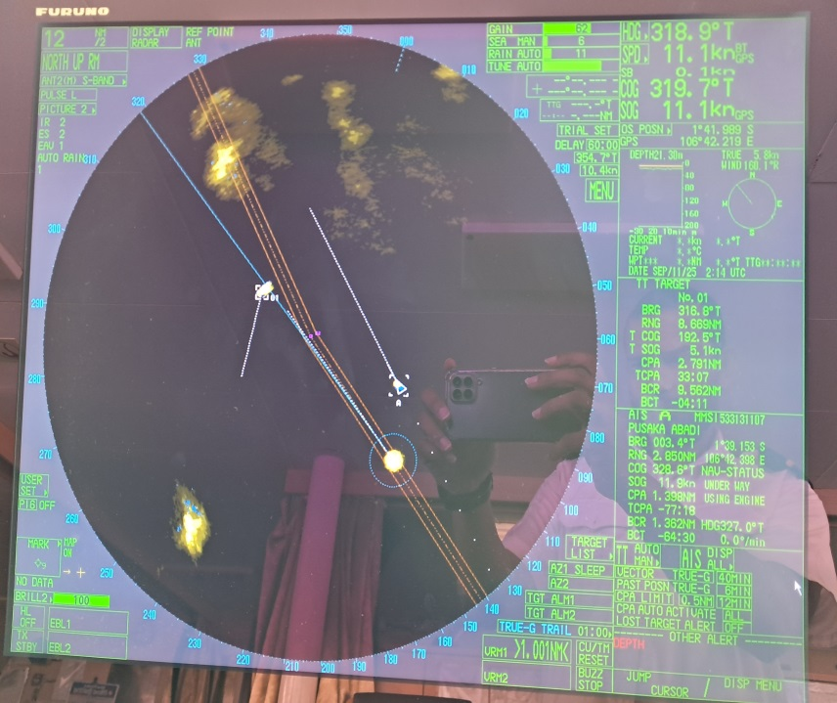 | 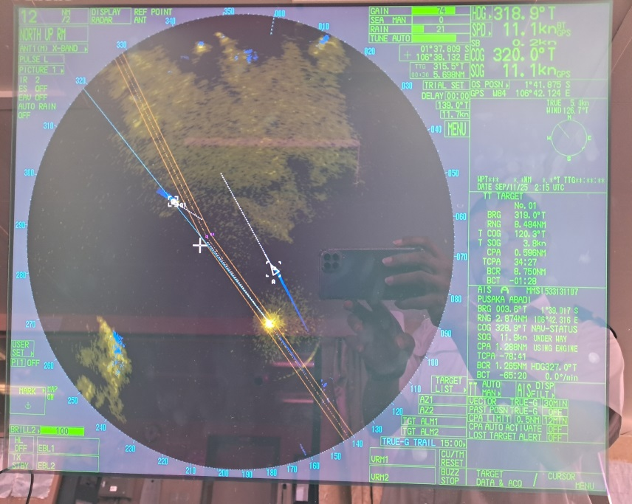
 |  |  |  |  |  | Ventilation
 |  |  |  |  | X | Cleaning before
 |  |  |  |  | X | Cleaning after
Details (Detailed Specification incl. Number, Size, Dimension, Material etc.) |  |  |  |  |  | Staging
 |  |  |  |  |  | Crane service
Manufactute - FURUNO |  |  |  |  |  | Transportation internal
Type-FAR-2837S |  |  |  |  |  | Transportation outside yard
 |  |  |  |  |  | Access work
The S-Band Radar is currently displaying incorrect information under the ARPA (Automatic Radar Plotting Aid) system. The following discrepancies have been observed: • Target speed and course data are inaccurate or not updating correctly • CPA (Closest Point of Approach) and TCPA (Time to CPA) values are inconsistent with visual and other sensor observations • ARPA targets occasionally jump or reset position without actual movement • Some targets are lost and reacquired frequently without real change in conditions |  |  |  |  |  | Corrosion protection
 |  |  |  |  |  | Galvanizing
 |  |  |  |  |  | Paintwork (T/Up, Full Coat)
 |  |  |  |  |  | Pressure testing
 |  |  |  |  | X | Function testing
 |  |  |  |  |  | Non-destructive test
 |  |  |  |  |  | Correction drawings

Location, material, access work, staging, other details & special requirements |  |  |  |  | Sub contract |  | `S BAND 02 | `X BAND 02

 |  |  |  |  |  |  | 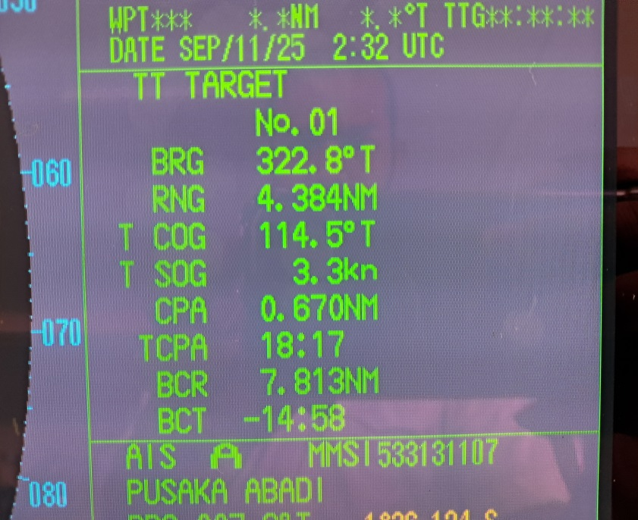 | 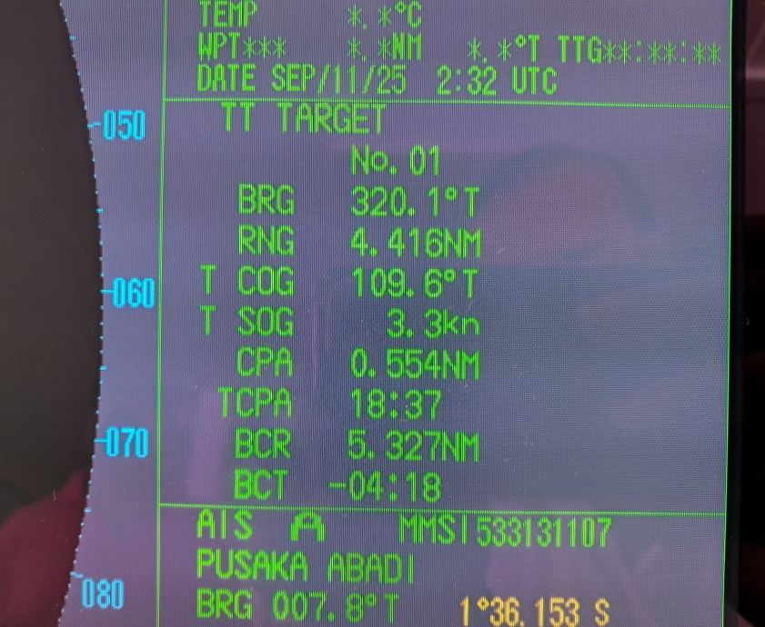
Bridge |  |  |  |  | Other details

 |  |  |  |  | Materials
 |  |  |  |  |  | Yard supply
 |  |  |  |  |  | Owner’s supply
 |  |  |  |  | X | Maker’s supply

 |  |  |  |  | Enclosures
 |  |  |  |  |  | Drawing
Prepared by |  |  | Approved by Manager SMT |  |  | Sketch
 |  |  |  |  | X | Photograph
 |  |  |  |  |  | Sample
Name, Rank, Signature & date |  | Name, Signature & date

DD2 BR 003
CEYLON SHIPPING CORPORATION LTD

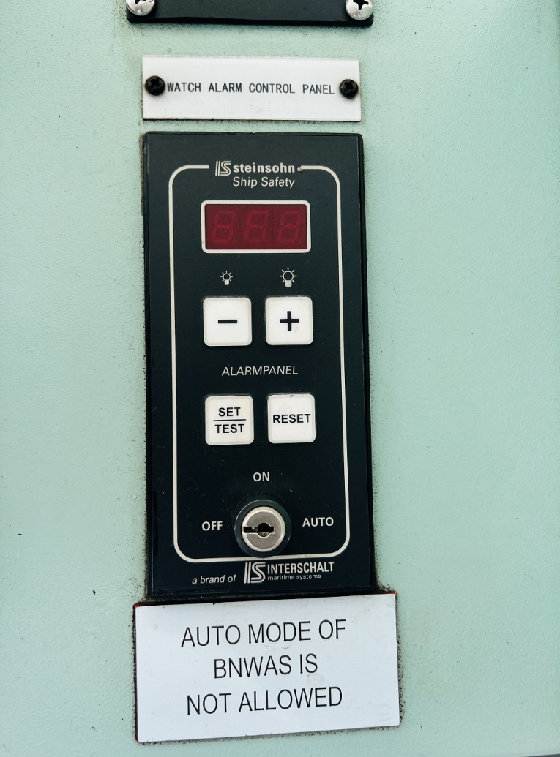
SPECIFICATION OF REPAIRS (DOCKING)

Ship's Name: | CEYLON BREEZE

DECK |  | VESSEL |  | OFFICE |  | YARD
 |  | JOB No. | CB/DD2/BR/003 | JOB No. |  | JOB No.
Date : |  | Account Number
General description (Maker, Type, Rating, Weight, Volume, RPM, Voltage, No.etc.) |  |  |  |  | Inspection / Surveys
 |  |  |  |  |  | Class Representative
 |  |  |  |  |  | Flag Sate Representative
Servicing of BNWAS |  |  |  |  |  | Owners Representative
 |  |  |  |  | X | Manufacturers' Representative
 |  |  |  |  |  | Underwriters
 |  |  |  |  |  | Others
Actual Job description |  |  |  |  | Yard work to be included
Keyholder of BANWAS out of order, not functioning well |  |  |  |  |  | Gas free certificate
 |  |  |  |  |  | Lighting
 |  |  |  |  |  | Ventilation
 |  |  |  |  |  | Cleaning before
 |  |  |  |  | X | Cleaning after
Details (Detailed Specification incl. Number, Size, Dimension, Material etc.) |  |  |  |  |  | Staging
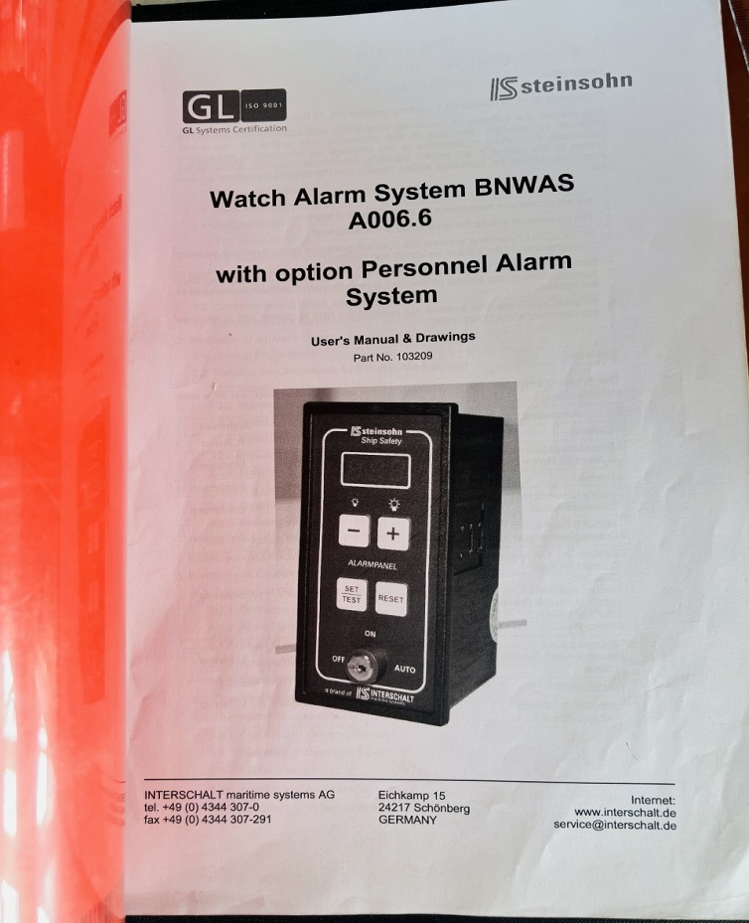
 |  |  |  |  |  | Crane service
BNWAS TYPE : A006.6 MAKER: ISSTEINSOHN |  |  |  |  |  | Transportation internal
 |  |  |  |  |  | Transportation outside yard
 |  |  |  |  |  | Access work
 |  |  |  |  |  | Corrosion protection
 |  |  |  |  |  | Galvanizing
 |  |  |  |  |  | Paintwork (T/Up, Full Coat)
 |  |  |  |  |  | Pressure testing
 |  |  |  |  | X | Function testing
 |  |  |  |  |  | Non-destructive test
 |  |  |  |  |  | Correction drawings

Location, material, access work, staging, other details & special requirements |  |  |  |  | Sub contract

BRIDGE |  |  |  |  | Other details

 |  |  |  |  | Materials
 |  |  |  |  |  | Yard supply
 |  |  |  |  |  | Owner’s supply
 |  |  |  |  | X | Maker’s supply

 |  |  |  |  | Enclosures
 |  |  |  |  |  | Drawing
Prepared by |  |  | Approved by Manager SMT |  |  | Sketch
 |  |  |  |  |  | Photograph
 |  |  |  |  |  | Sample
Name, Rank, Signature & date |  | Name, Signature & date

